Table 1
Inspection and test plan – concrete pavement Project no. CC0398 Project name VIVA ULSG Date 27/05/2024 Approved by Ari Birch ITP no. ITP-PAV-021 Revision no. 0 Revision date 27/05/2024 Plant and equipment used Lot no. Location (chainages, detailed description or marked up plan) Layer thickness Estimated qty Attach Dockets, Certificates and QA Documents to ITP
 |  |  |  |  |  | Verification or test by |  | Remarks / record (eg. test frequency, reports, certificates, checklist etc)
 |  |  |  |  |  | Symal Infrastructure | MDR/VIVA
Item no. | Activity | Ref docs | Acceptance criteria |  | Acceptance | Key | Key
1.0 Preliminaries
1.1 | Determine Lot Size | IFC DRAWINGS | Lot size Lot Size = Each pour section per day (location or m2) |  | Marked Plan | S | S | Lot Map
1.2 | Survey set-out | IFC DRAWINGS | Has the work area been set out for line and level? |  | ☐ Yes ☐ No ☐ N/A | S | S | As Per IFC Drawings
1.3 | Material Submission / Approval | AS 3600 235929-000- CV-SP-00007 | Has the mix design to be approved prior to placement. Material properties meet project specification, AS 3600, AS 1379? - Minimum Concrete strength 25MPa or as specified in Drawings? - Steel Reinforcement certificates of conformance provided? - Do admixtures shall conform with AS 1478.1 and are permitted if used in accordance with manufacturer’s instructions? - Are all admixtures free of calcium chloride? - Has jointing materials & Sealants been approved? - Has vapour barrier material been approved |  | ☐ Yes ☐ No ☒ N/A | H | H | Mix Design Number Material Compliance Certificates Idocs Approval Reference

2.0 Form Work
2.1 | Vapour Barrier Installed | 235929-000- CV-SP-00007 Section 6.2 | Approved vapour barrier installed on surface of crushed rock base? Are all lap joints minimum 300 mm and sealed with duct tape? Are major punctures in the vapour barrier patched of taped? |  | ☐ Yes ☐ No ☐ N/A | W | W
2.2 | Formwork Setout and positioning correct | IFC DRAWINGS 235929-000- CV-SP 00008 | Is formwork checked for potential loose sections, ensuring no movement upon placement of concrete? Is formwork in line with survey markings? Have chamfers (if required) been attached to formwork in level manner? |  | ☐ Yes ☐ No ☐ N/A | W | W
2.3 | Concrete jointing | IFC DRAWINGS | Have construction joints to be installed as detailed and in locations nominated on IFC Drawings and notes using approved materials? |  | ☐ Yes ☐ No ☐ N/A | W | W | Delivery Dockets
3.0 Reinforcement
3.1 | Steel reinforcement Supply | IFC DRAWINGS | Has correct reinforcement been delivered? Is reinforcement free from rust and other contaminates that may affect bonding? |  | ☐ Yes ☐ No ☐ N/A | S | S | Incoming material checklist Delivery Dockets
3.2 | Steel reinforcement installation | AS3600 17.5.3 235929-000- CV-SP-00009 IFC Drawing 235929-000- CV-01-92002- 010002 | 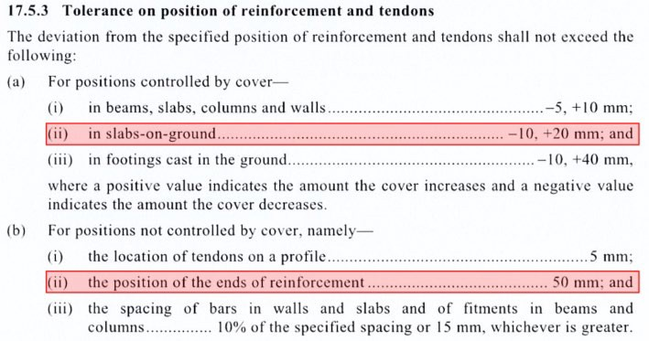 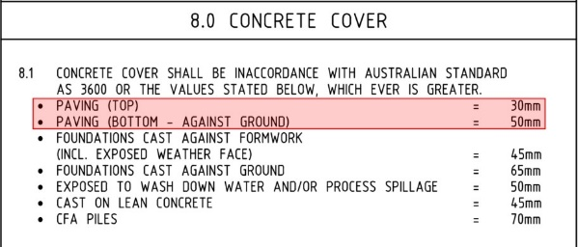 Is steel installed as per the latest IFC drawings? Does steel reinforcement conform with AS 3600:17.5.3? Does cover to unformed surfaces comply with IFC drawings? |  | ☐ Yes ☐ No ☐ N/A | W | S
4.0 Concrete Pavement Placement
4.1 | Pre-pour Inspection | 235929-000- CV-SP-00007 Appendix 7.1 Pre-Concrete Placement Checklist | Has a pre-pour inspection checklist completed prior to placement? |  | ☐ Yes ☐ No ☐ N/A | H | H | Pre-Pour Checklist Attached? ☐ Yes ☐ No ☐ N/A
4.2 | Placement | 235929-000- CV-SP-00007 Appendix 7.3 Concrete Truck Record | Concrete shall not be placed when temperature is less the 5°C or greater than 36°C. Between 32°C and 36°C admixtures and placing requirements must be met. Concrete shall be transported, handled and placed to prevent segregation, loss or leakage of materials. Concrete shall not be dropped from a height greater than 2m. Concrete shall be discharge within 90 minutes of dispatch from plant. For continuous pours, the maximum time lag between truck loads shall not exceed 25 minutes. Concrete shall be thoroughly vibrated to ensure no honey combing, voids or surface defects occurs and compaction is achieve throughout structure. Water shall not be added to achieve slump greater than specified. If additional water is added, slump test to be performed after water is added. |  | ☐ Yes ☐ No ☐ N/A | S | S | Concrete Truck Pour Record Concrete Delivery Dockets
4.3 | Slump Test | Section 5.1.1 235929-000- CV-SP-00007 | Slump must be within tolerance of designed slump. Testing shall be +- 15% of stated approved mix design slump. |  | ☐ Yes ☐ No ☐ N/A | W | S | Concrete Test Report
4.4 | Strength Testing | 235929-000-CV-SP-00007 Section 6.8 | Samples to be taken from chute. 5 cylinders collected per sample – 1x 7day, 3x 28day, 1x reserve. 1 test for the first 20m3 1 test per 40n3 thereafter Frequency reduce to 1 test per 80m3 for pours over 400m3 |  | No. of Samples || Vol. of Pour (m^3) 1 || <20 2 || 20-60 3 || 60-100 4 || 100-140 5 || 140-180 6 || 180-220 7 || 220-260 8 || 260-300 9 || 300-340 10 || 340-380 | H | S | Concrete Test Report

4.5 | Curing of Concrete | 235929-000- CV-SP-00007 Section 6.5 | As per the approved Curing Methodology. - Applied once bleed water has gone - Continuous uniform film achieved - Rate of 5m 2/L Has curing been conducted as per approved curing methodology? |  | ☐ Yes ☐ No ☐ N/A | H | W | Approved Curing Technical Data Sheet
4.6 | Colouring of Concrete | 235929-000- CV-01-92002- 010015 Note 9 | Concrete paving above conduit, shall be pigmented: - Red for electrical; - Green for instrumentation. The method to be used is the dry shake, with oxide minerals after bleeding. Pigments shall be used in accordance with the material manufacturer's specifications |  | ☐ Yes ☐ No ☐ N/A | H | W | Material Approval Delivery Dockets
4.7 | Concrete Finishing | 235929-000- CV-SP-00007 Section 6.4 | Finish concrete per schedule below: - Exterior slabs (i.e. foot traffic): broom finish. - Other approved non slip finish (i.e. stipple finish) |  | ☐ Yes ☐ No ☐ N/A | S | S | Material Approval Delivery Dockets
4.8 | Formwork Stripping | AS 3600 Table 4.4 | Minimum Initial curing requirement for 25MPa concrete: Cure continuously for at least 3 days or minimum average compressive strength of 15MPa Has the formwork been removed in the same sequence as concrete placement to achieve similar concrete surface coloration? |  | ☐ Yes ☐ No ☐ N/A | H | W
4.9 | Saw Cutting of contraction joints | IFC Drawings 235929-000- CV-SP-00007 6.4.4 | Should the joint detail differ from design this shall be changed only with written approval by the Client. Saw cut joints shown on the Construction Drawings within 12 hours after placement. The cut depth shall be 25% of the slab thickness. |  | ☐ Yes ☐ No ☐ N/A | H | W | RFI (if applicable)
4.10 | Post Pour inspection | 235929-000- CV-SP-00007 | All abovementioned works have been completed in-line with the drawings and specification and backfilling around structure can be completed (if applicable) |  | ☐ Yes ☐ No ☐ N/A | H | H | Post-pour Checklist
5.0 Completion
5.1 | As Built | YJRP-SPE- CC-M-0001 | As built to be submitted after pour, showing set out, RLs, grades and any cast-in elements |  | ☐ Yes ☐ No ☐ N/A | S | H | Survey Conformance report
5.2 | Concrete Test Results | 235929-000- CV-SP-00007 AS3600 AS1379 AS3610 | Submission of 28 days results. Results meet requirements of 25MPa. |  | ☐ Yes ☐ No ☐ N/A | H | S | NATA endorsed test report
6.0 Crack Repairs (if applicable)
6.1 | Cracking repair methodology approval |  | Contractor to submit a concrete crack repair methodology to MDR prior to commencing any crack repair. Has this been approved? |  | ☐ Yes ☐ No ☐ N/A | H | H | Concrete Repair Method Document
6.2 | Crack Repair |  | Has concrete crack repair been undertaken as per the approved method? |  | ☐ Yes ☐ No ☐ N/A | H | H
Additional Comments:
Works Completed (Signed SS) |  |  |  | Date Works Completed
Lot Conforms (Signed PE) |  |  |  | Date Lot Closed
NCR no. (if applicable) |  |  |  | Date NCR Closed
Lot acceptance:
Symal Infrastructure representative name |  |  |  | MDR/VIVA representative name
Symal Infrastructure representative signature |  |  |  | MDR/VIVA representative signature
Responsibility (resp.) key: PM – Project Manager, PE – Project Engineer, SE – Site Engineer, SS – Site Supervisor Inspection key: W – Witness, H – Hold Point, S - Surveillance

